Sheet1
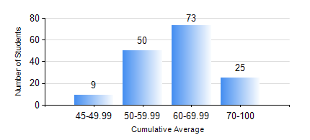
 |  |  | KWAME NKRUMAH UNIVERSITY OF SCIENCE AND TECHNOLOGY, KUMASI Department of Mechanical Engineering

 |  |  | BSC. MECHANICAL ENG.

 |  |  | COMPREHENSIVE RECORD OF EXAMINATION RESULTS

 |  |  | RESULTS OF YEAR 3 SECOND SEMESTER, 2019/2020 ACADEMIC YEAR

 | Sn | Course Code |  | Course Name | Credit Hours | Min. Mark | Max. Mark | Avg. Mark | Std. Dev. | No. Passed | No. Trailed | No. (Df) | No. (I) | No. (I*) | No. Tagged(I,I*,Df) | Total
 | 1. | EE 252 |  | ELECTRICAL ENGINEERING MACHINES | 2 | 60 | 92 | 79 | 5.55 | 154 | 0 | 0 | 3 | 0 | 3 | 157
 | 2. | ME 352 |  | FLUID MECHANICS II | 3 | 40 | 97 | 78 | 9.75 | 156 | 0 | 0 | 1 | 0 | 1 | 157
 | 3. | ME 356 |  | STRENGTH OF MATERIALS II | 3 | 40 | 72 | 63 | 4.44 | 154 | 0 | 0 | 3 | 0 | 3 | 157
 | 4. | ME 362 |  | VIBRATIONS I | 3 | 50 | 70 | 62 | 3.31 | 154 | 0 | 0 | 3 | 0 | 3 | 157
 | 5. | ME 366 |  | HEAT TRANSFER | 3 | 43 | 96 | 87 | 8.23 | 157 | 0 | 0 | 0 | 0 | 0 | 157
 | 6. | ME 374 |  | MACHINE DESIGN | 2 | 40 | 96 | 88 | 9.87 | 156 | 0 | 0 | 1 | 0 | 1 | 157
 | 7. | ME 392 |  | INDUSTRIAL ENGINEERING AND ERGONOMICS | 2 | 40 | 69 | 55 | 7.94 | 157 | 0 | 0 | 0 | 0 | 0 | 157
 | 8. | ME 396 |  | MECHANICAL ENGINEERING LABORATORY IV | 1 | 40 | 76 | 56 | 11.91 | 157 | 0 | 0 | 0 | 0 | 0 | 157

